item inventory
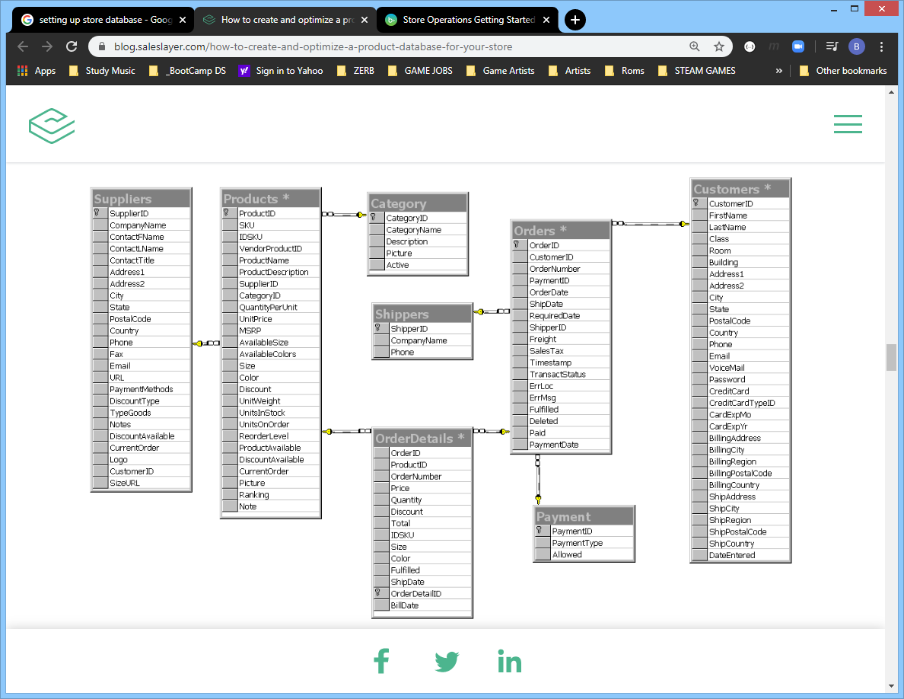
item_id | quantity | status | sale | base price
random | 0 | in stock | none
 | 10 | out of stock | 10
 | 1 to 25 | coming soon | 15
 | 1 to 50 | discontinued | 20
 | 1 to 100 |  | 25
 |  |  | 30
 |  |  | 50

